Title Page
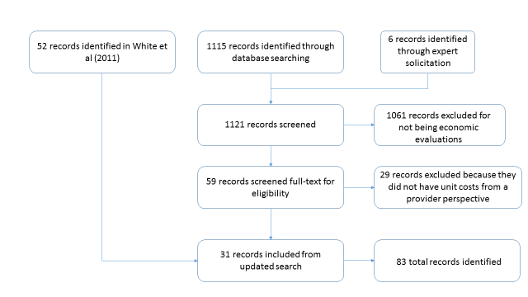
Levin, Carol, and Elizabeth Brouwer. "Literature review data of the costs of preventing, diagnosing, and treating malaria." Disease Control Priorities, Third Edition.

Search Terms [same as White et al (2011) : Updated for dates January 1, 2010 - April 1, 2015
(malaria OR falciparum OR plasmodium) AND (cost* OR economic*)

PRISMA Flow Chart of Article Selection for Malaria Costs.

